P-lite
ISOTRA a.s.
Bílovecká 2411/1, 746 01 Opava |  |  |  |  |  |  |  | TEL.: +420 553 685 101 |  | FAX: +420 553 685 110 |  | www.isotra.cz
Order form |  |  |  |  |  | P-LITE - Skylight plisse
Version |  |  |  |  | Order |  |  |  | Customer
 |  |  |  |  | Order number: |  |  |  | VAT Number:

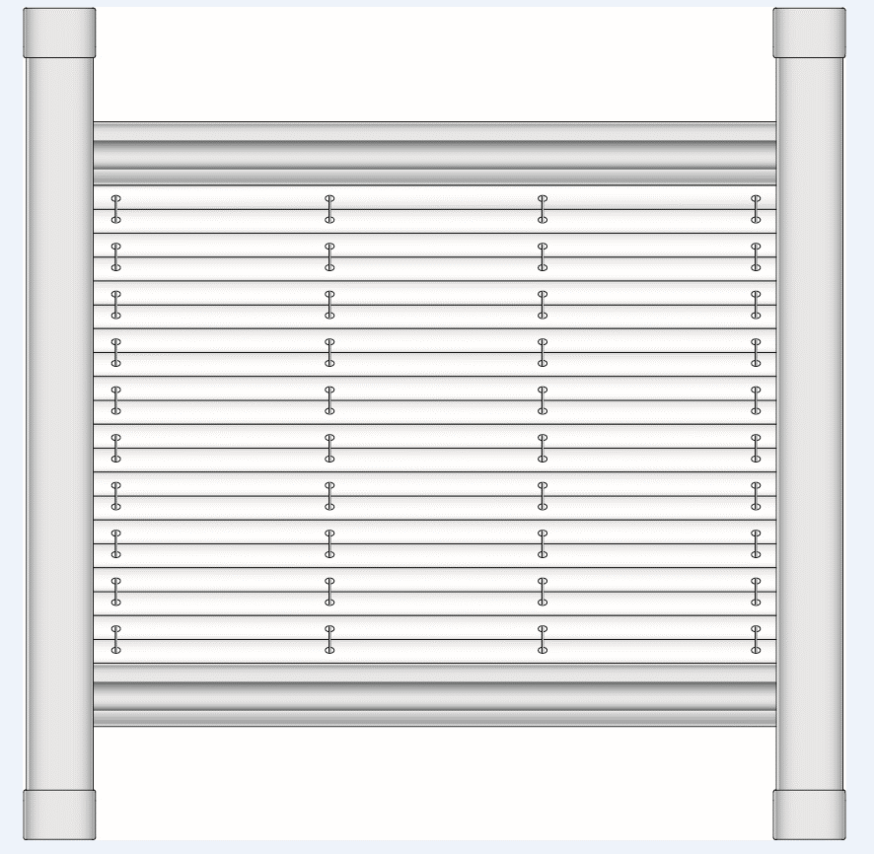
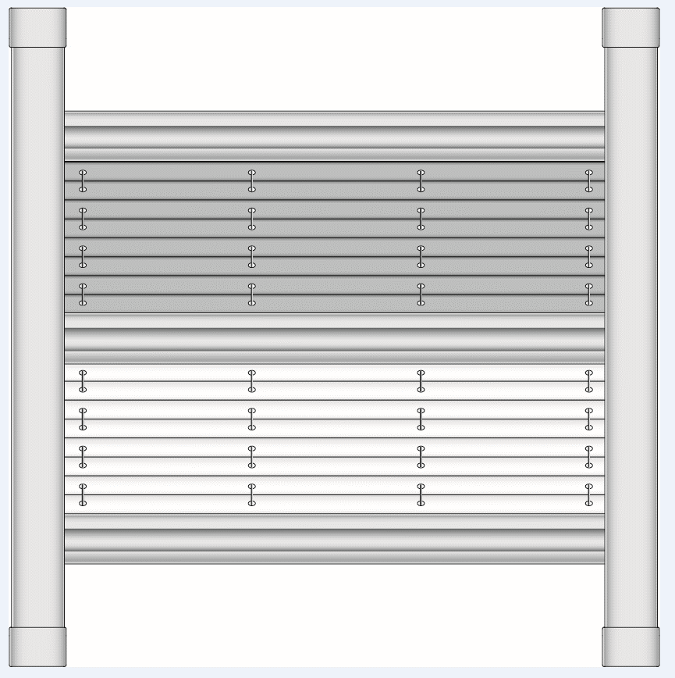
Plissé type |  |  |  |  | Ordered on: |  |  |  | Invoice address:
DFC20_P4 |  | DFC30_P4
 |  |  |  |  | Phone:

 |  |  |  |  | Dispatch date: |  |  |  | Delivery address:

Rank | Pcs | Code 2 | plisse type | Fabric colour | Complementary fabric | Window producer | Window ID | Glazing bead angle | Width (mm) | Height (mm) | Rail colour | Note
 | 1 | 2 | 3 | 4 | 5 | 6 | 7 | 8 | 9 | 10 | 11

Note: |  | 3: choose pleated blind shape from the menu
 |  | 4: choose fabric color from the menu
 |  | 5: choose complementary fabric color from the menu
 |  | 9+10: dimension between inner edges of the frame (not glazing) - see picture on the sheet Instruction 1
 |  | 11: choose components color from the menu
 |  | In case of using two fabrics pleated blind type DFC 30 the order of substance is always set such that the fabric with heavier weight is always basic fabric placed in upper part of the blind, and the fabric with lower weight is always additional fabric places in lower part of the blind.

 |  |  |  |  |  |  |  |  |  |  |  | General business terms and Complaint Procedure terms are expressly valid for mutual business between Isotra a.s. and the customer. All terms are available here:
Order form is valid from: 08.11.2023. |  |  |  |  |  |  |  |  | http://www.isotra.com/general-business-terms |  |  | http://www.isotra.com/complaint-procedure

V-lite
ISOTRA a.s. |  |  |  |  |  |  |  | E-mail: objednavky@isotra.cz
Bílovecká 2411/1, 746 01 Opava |  |  |  | TEL.: +420 553 685 101 |  | FAX: +420 553 685 110 |  |  |  |  |  |  | www.isotra.cz
Order form |  |  |  |  |  | V-LITE - Skylight venetian blinds
Standard |  |  |  |  | Order |  |  |  | Customer
Rail colour |  |  |  | ELOX, RAL 9003 | Order number: |  |  |  | VAT Number:
Width of the slat |  |  |  | 25 mm
Slat type |  |  |  | 0.21 | Ordered on: |  |  |  | Invoice address:
Type of control
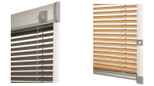
 |  |  |  |  | Phone:
 | V - lite Wheel |  |  | V - lite Runner
 | V - lite kolečko |  |  | V - lite jezdec | Dispatch date: |  |  |  | Delivery address:

Rank | Pcs | Type of control | Window type | Window ID number | Width (mm) | Height (mm) | Wing frame angle 90˚,96˚,100˚,102˚,105˚, 107˚ and R | Slat colour | Control L/P | Operating wand (type) | Lenght of the operating wand (mm) | Rail colour | Note
 | 1 | 2 | 3 | 4 | 5 | 6 | 7 | 8 | 9 | 10 | 11 | 12

 |  |  |  |  |  |  |  |  |  |  |  |  |  | automatical form completion

 |  |  |  |  |  |  |  |  |  |  |  |  |  | manual completion

Note: |  | 2: choose the type of the venetian blind from the options
 |  | 3: choose the window type from the options
 |  | 4: choose the Window ID number from the options; for Velux choose dimension line product line GGU; GGL; GPU; GPL; GHU; GHL; GTU; GTL
 |  | 5+6: size between inner wing frame angle (not by window), PICTURE see INSTRUCTION 1
 |  | 7: fill from options, R for glazing bar of radius shape, angel calculation can be used see INSTRUCTION 1
 |  | 8: slat´s colour in form xxx/21, slat ´s shades can slightly differ in some deliveries
 |  | 9: control position from the front view (from interior)
 |  | 10: when not specified,automatically apply N (no), operating wand description see INSTRUCTION 1
 |  | 11: fill the lenght of an operating wand only for type LB 50 - adjustable lenght
 |  | 12: choose the rail colour from the options

 |  |  |  |  |  |  |  |  |  |  |  |  | General business terms and Complaint Procedure terms are expressly valid for mutual business between Isotra a.s. and the customer. All terms are available here:
Order form is valid from: 23.08.2022 |  |  |  |  |  |  |  |  | http://www.isotra.com/complaint-procedure |  |  |  | http://www.isotra.com/general-business-terms

R-lite
ISOTRA a.s. |  |  |  |  |  |  |  | E-mail: objednavky@isotra.cz
Bílovecká 2411/1, 746 01 Opava |  |  |  | TEL.: +420 553 685 101 |  | FAX: +420 553 685 110 |  |  |  |  |  | www.isotra.cz
Order form |  |  |  |  |  | R-LITE - Skylight roller blinds
Standard |  |  |  |  | Order |  |  |  | Order
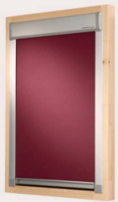
 |  |  |  |  | Order number: |  |  |  | VAT Number:

 |  |  |  |  | Ordered on: |  |  |  | Invoice address:

 |  |  |  |  | Phone:

 |  |  |  |  | Dispatch date: |  |  |  | Delivery address:
 | R - lite

Rank | Pcs | Roller blind type | Window type | Window ID number | Width (mm) | Height (mm) | Wing frame angle 90˚,96˚,100˚,102˚,105˚, 107˚ and R | Fabric colour | Operating wand (type) | Lenght of the operating wand (mm) | Rail colour | Note
 | 1 |  | 2 | 3 | 4 | 5 | 6 | 7 | 8 | 9 | 10

 |  |  |  |  |  |  |  |  |  |  |  |  | automatical form completion

 |  |  |  |  |  |  |  |  |  |  |  |  | manual completion

Note: |  | 2: choose the window type from the options
 |  | 3: choose the window type from the options or from INSTRUCTIONS 2
 |  | 4+5: size between inner wing frame angle (not by window), PICTURE see INSTRUCTION 1
 |  | 6: fill from options, R for glazing bar of radius shape, angel calculation can be used see INSTRUCTION 1
 |  | 7: choose type and colour of fabric from the options or from INSTRUCTIONS 3
 |  | 8: when not specified,automatically apply N (no), operating wand description see INSTRUCTION 1
 |  | 9: fill the lenght of an operating wand only for type LB 50 - adjustable lenght
 |  | 10: choose the rail colour from the options

 |  |  |  |  |  |  |  |  |  |  |  | General business terms and Complaint Procedure terms are expressly valid for mutual business between Isotra a.s. and the customer. All terms are available here:
Order form is valid from: 23.08.2022. |  |  |  |  |  |  |  | http://www.isotra.com/general-business-terms |  |  |  | http://www.isotra.com/complaint-procedure

Instruction 1
Window type
VELUX
FAKRO
ROTO
PRIMA FENESTRA
ZÍMA
LANGER
DOBROPLAST
ROOFLITE
SKYFENS

Choose from the options. Unless you know your window´s manufacturer or there is no,
choose the figure 0 and continue according the instructions for measuring and assembly, where it is necessary to determine
WIDTH, HEIGHT and BAR´S ANGEL <B>by measuring + addition to the following cells of the form </B>

Width (in mm) + Height (in mm)
size of the inner window´s frame tops (not by glass) |  |  | Angle calculation | width (mm) =
Fill always if you do not know th window´s manufacturer! |  |  | #DIV/0! | S2 (mm) =
 |  |  |  | H (mm) =
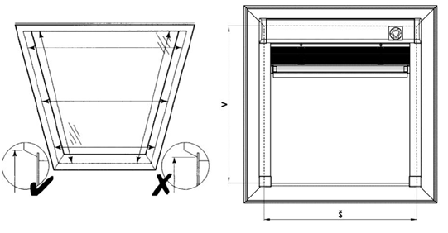
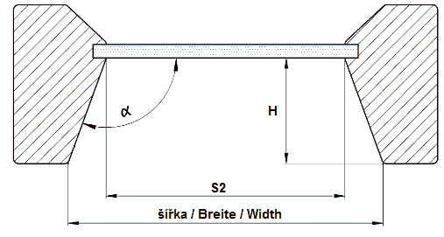
 |  |  |  |  | Fill the numbers and the angle will be automaticaly counted by excel

Operating wand for V-lite and R-lite
If you don´t mark YES/NO, it means NO.

Zkr 2. | Operating wand
LB 50 | Operating wand fixed - adjustable lenght
LB 50/50 | Operating wand fixed - lenght 50cm
LB 50/100 | Operating wand fixed - lenght 100cm
LB 50/150 | Operating wand fixed - lenght 150cm
LB 50/200 | Operating wand fixed - lenght 200cm
LB 100 |  telescopic HOOK AND ENDING
LB 150 | telescopic JOINT, HOOK AND ENDING
LB 200 | telescopic HOOK AND ENDING
LB 250 | telescopic JOINT AND HOOK
N | NO

Profiles color for P-lite
Abbreviation | Name | Note
01 | White standard | STANDARD
03 | GRAY MAT standard | STANDARD
ISD110 | Isotra system DECORAL smooth ISD110 | Decoral max. width is 4m.
ISD120 | Isotra system DECORAL smooth ISD120 | Decoral max. width is 4m.
ISD130 | Isotra system DECORAL smooth ISD130 | Decoral max. width is 4m.
ISD140 | Isotra system DECORAL smooth ISD140 | Decoral max. width is 4m.
ISD150 | Isotra system DECORAL smooth ISD150 | Decoral max. width is 4m.
ISD160 | Isotra system DECORAL smooth ISD160 | Decoral max. width is 4m.
ISD310 | Isotra system DECORAL gloss ISD310 | Decoral max. width is 4m.
ISD210 | Isotra system DECORAL structure ISD210 | Decoral max. width is 4m.
ISD220 | Isotra system DECORAL structure ISD220 | Decoral max. width is 4m.
ISD230 | Isotra system DECORAL structure ISD230 | Decoral max. width is 4m.
ISD152 | Isotra systém DECORAL smooth ISD152 | Decoral max. width is 4m.
ISD154 | Isotra systém DECORAL smooth ISD154 | Decoral max. width is 4m.
ISD200 | Isotra systém DECORAL structure ISD200 | Decoral max. width is 4m.
ISD212 | Isotra systém DECORAL structure ISD212 | Decoral max. width is 4m.
ISD214 | Isotra systém DECORAL structure ISD214 | Decoral max. width is 4m.
ISD222 | Isotra systém DECORAL structure ISD222 | Decoral max. width is 4m.
ISD500 | Isotra systém DECORAL smooth ISD500 | Decoral max. width is 4m.
ISD510 | Isotra systém DECORAL smooth ISD510 | Decoral max. width is 4m.
ISD600 | Isotra systém DECORAL structure ISD600 | Decoral max. width is 4m.
ISD610 | Isotra systém DECORAL structure ISD610 | Decoral max. width is 4m.
ISD620 | Isotra systém DECORAL structure ISD620 | Decoral max. width is 4m.
ISD630 | Isotra systém DECORAL structure ISD630 | Decoral max. width is 4m.
ISD640 | Isotra systém DECORAL structure ISD640 | Decoral max. width is 4m.
ISD700 | Isotra systém DECORAL blue bubbles ISD700 | Decoral max. width is 4m.
X | Other (put RAL color as a note)
Xisd | Other ISD (after consultation with Sales Rep.) | Decoral max. width is 4m.
0 | None
9016RAL | RAL white (traffic white) 9016
9001 | RAL white (cream white) 9001
9003 | RAL white (signal white) 9003
9002 | RAL white (grey white) 9002
9010 | RAL White 9010
9017 | RAL traffic black 9017
9004 | RAL black (signal ) 9004
9005 | RAL black (jet black) 9005
3000 | RAL red 3000
3005 | RAL wine red 3005
3012 | RAL red (beige red) 3012
3002 | RAL carmine red 3002
3003 | RAL ruby red 3003
8012 | RAL brown (red brown) 8012
8003 | RAL brown (clay brown) 8003
8016 | RAL brown (mahogany brown) 8016
8004 | RAL brown (copper brown) 8004
8001 | RAL brown (ochre brown) 8001
8023 | RAL brown (orange brown) 8023
8011 | RAL brown (nut brown) 8011
8014 | RAL brown (sepia brown) 8014
8002 | RAL brown (signal brown) 8002
8007 | RAL brown (fawn brown) 8007
8019 | RAL grey brown 8019
8028 | RAL brown (terra brown) 8028
5009 | RAL blue (azure blue) 5009
5013 | RAL blue (cobalt blue) 5013
5011 | RAL blue (steel blue) 5011
5005 | RAL blue (signal blue) 5005
5014 | RAL blue (pigeon blue) 5014
5018 | RAL blue (turquoise blue) 5018
5002 | RAL ultramarine blue 5002
7048 | RAL pearl grey 7048
9006 | RAL silver 9006
7038 | RAL grey (agate grey) 7038
7016 | RAL grey (anthracite grey) 7016
7023 | RAL grey (concrete grey) 7023
7039 | RAL grey (quartz grey) 7039
7040 | RAL grey (window grey) 7040
7036 | RAL grey (platinum grey) 7036
DB702 | RAL grey (special for slat DB702)
7001 | RAL grey (silver grey) 7001
7035 | RAL grey (light grey) 7035
9007 | RAL grey (grey aluminium) 9007
7046 | RAL grey (telegrey 2) 7046
7047 | RAL grey (telegrey 4) 7047
DB703 | RAL grey (dark pearl) DB 703
7015 | RAL grey (slate grey) 7015
7012 | RAL grey (basalt grey) 7012
7030 | RAL grey (stone grey) 7030
7022 | RAL grey (umbra grey) 7022
VSR780 | RAL VSR780
6009 | RAL green (fir green) 6009
6005 | RAL green (moos green) 6005
6026 | RAL green (opal green) 6026
6011 | RAL green (reseda green) 6011
6018 | RAL green (yellow green) 6018
1001 | RAL yellow ( beige ) 1001
1011 | RAL yellow (brown beige) 1011
1003 | RAL yellow (signal) 1003
1015 | RAL yellow (light ivory) 1015
1013 | RAL yellow (oyster white) 1013

Instruction Sky
Screen Sky - exterior Skylight roller blinds
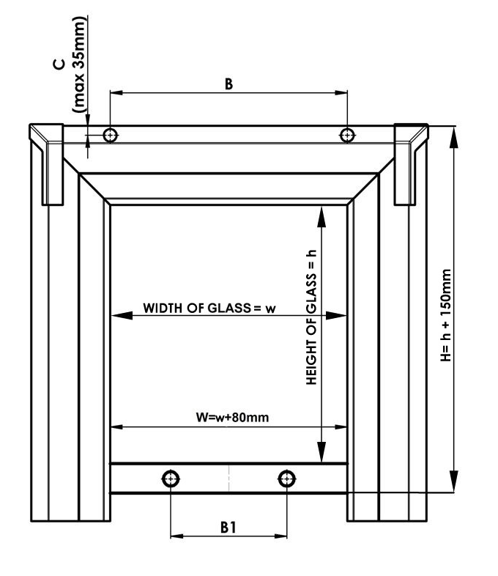
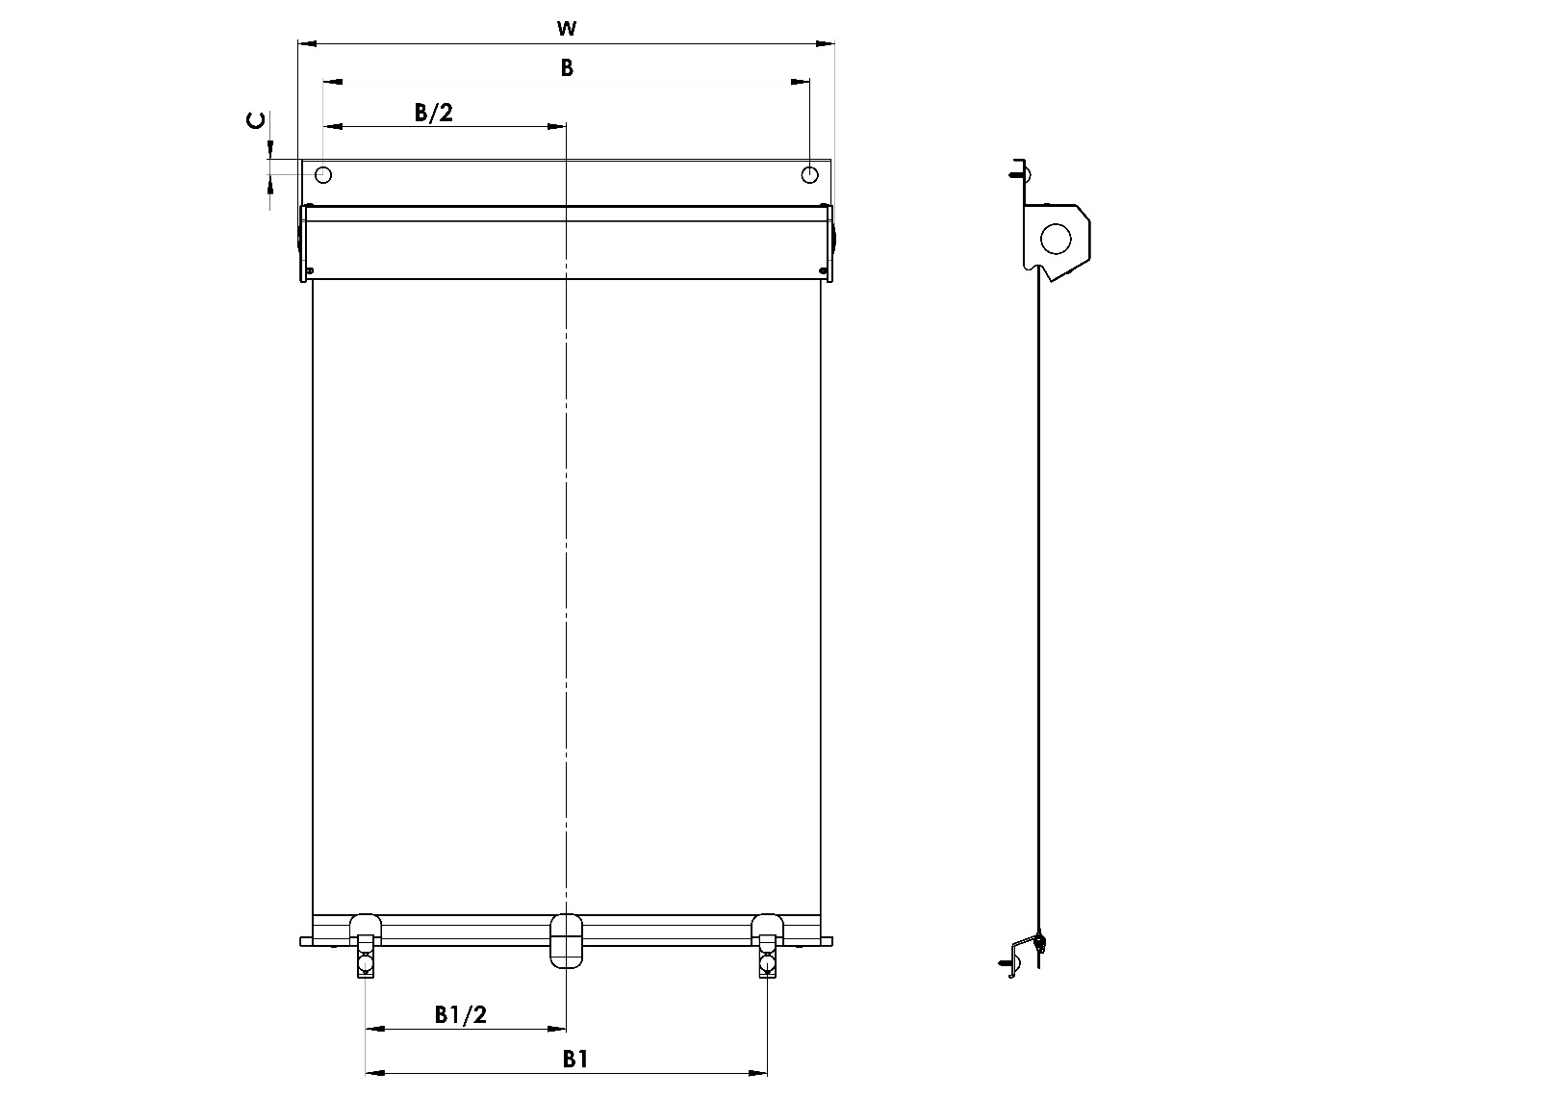

1. ASSESSMENT OF WINDOWS
It is recommended to make the assessment from the exterior side of the roof window, and at the very plating.
THE WIDTH AND LOCATION of bottom hook of roller blind is MEASUREd HEREBY:

WIDTH: (W)
Measure the diameter of the wing (size w of glass) and we recommend to add min.80mm for overlap to measured values.
The total measured data (W) must take into account the shape and size of the plating measured roof window.
This measured value will be written into the order form FOR ROLLER blinds.
The blinds are manufactured to the millimeter widths from 400 mm to 1200 mm width.
NB. The WIDTH of the FABRIC (the actual shaded area) is 22 mm less than the total measured value of roller blind.

When the roof window is provided through the belay bolts flashing where the upper box is fixed, measure the distance between these screws (B) and the distance of upper frame (C).
If the roof blind isn´t provided by them, this figure is not showing.
Dimensions beyond the set limits must be consulted with the manufacturer.

HEIGHT: (H)
The height is measured as lightness of window wing (dimensions of glass h) and we recommend to add min. 150 mm for overlapping to the measured value.
Total measured dimension (H) must take into account the shape and dimension of plating of roof window.

The maximum height of shading is 1600 mm.
Dimensions beyond the set limits must be consulted with the manufacturer, too.

Location of lower hooks
When the roof window is in the bottom wing and is provided through the belay bolts flashing, measure the distance between these screws. (B1)
If the roof windows not provided by these screws, this figure is not mentioned and will be assigned in the manufacture of blinds.
NB. When the roof window is in the bottom wing and is provided through the belay bolts flashing, measure aůways the distance between these screws.

THIS IS NECESSARY TO SPECIFY INTO THE ORDER FORM:
1. All the dimensions wanted
2. Colour design and type of fabric chosen
3. Name + type of window + indentification number, specified in the notes of order form

Control rod
Abbreviation | Name | Note
N | None
LR67/1000 | 1000mm rod length
LR67/1500 | 1500mm rod length
LR67/2000 | 2000mm rod length

Rail color
Abbreviation | Name | Note
9006RAL | RAL silver 9006
8014RAL | RAL brown (sepia) 8014
7016 | RAL grey (antracite) 7016
9007 | RAL grey (aluminium) 9007

Order form is valid from: 1.7.2018

